Hiearchy View
CLASS: FIRE SHUTTER
operable steel barriers that save lives and property by moving to close gaps between zones, thus effecting fire compartmentalization for up to 4 hours |  | 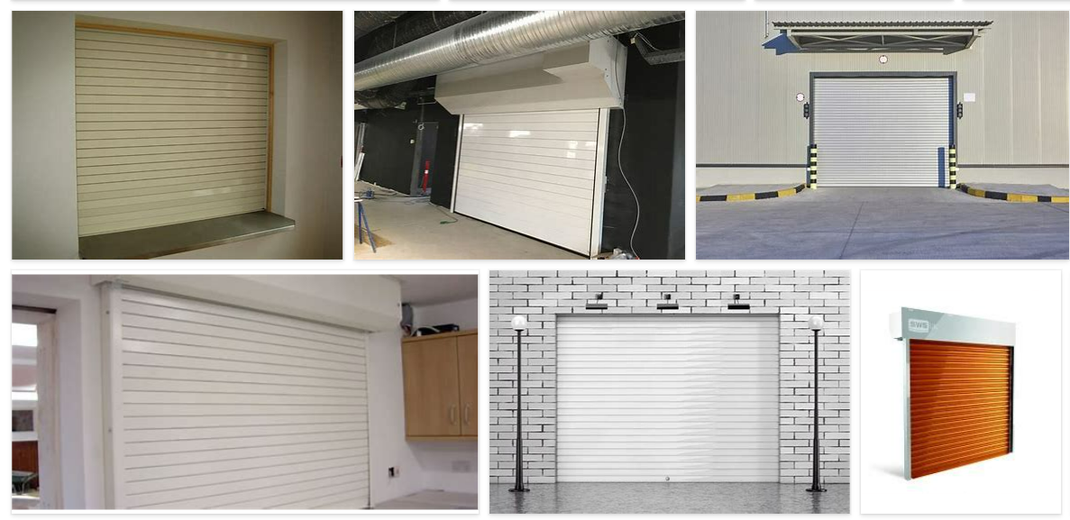
REMOVE | N

PROBLEM_DESC | CAUSE_DESC | REMEDY_DESC
BROKEN/DAMAGED
NOISE
OTHER PROBLEM
POWER-ELEC
STOPPED/SLOWED/POOR OPS
TEMP-CTRL
VIBRATION
Grand Total

